Sheet1
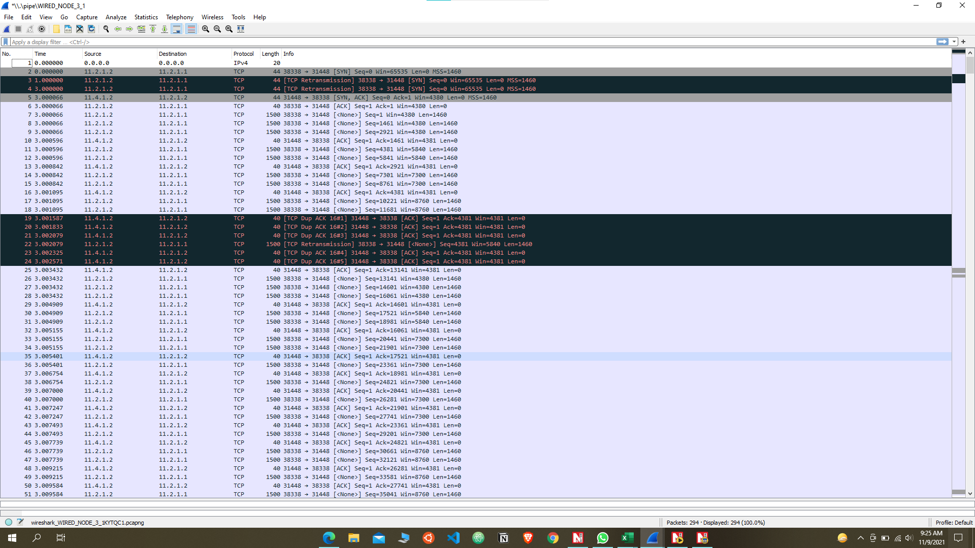
TCP METRICS

WIRED_NODE_2 | WIRED_NODE_1 | 11.1.1.2:82 | 11.4.1.2:36934 | 1 | 0 | 69 | 1 | 2 | 2 | 70 | 0 | 1 | 13 | 0
WIRED_NODE_2 | WIRED_NODE_1 | 11.1.1.2:12668 | 11.4.1.2:53000 | 1 | 0 | 69 | 1 | 0 | 2 | 70 | 0 | 1 | 1 | 0
WIRED_NODE_3 | WIRED_NODE_1 | 11.2.1.2:38338 | 11.4.1.2:31448 | 1 | 0 | 69 | 1 | 0 | 2 | 70 | 0 | 1 | 1 | 0
WIRED_NODE_1 | WIRED_NODE_2 | 11.4.1.2:36934 | 11.1.1.2:82 | 0 | 1 | 0 | 70 | 0 | 70 | 1 | 0 | 12 | 0 | 0
WIRED_NODE_1 | WIRED_NODE_3 | 11.4.1.2:31448 | 11.2.1.2:38338 | 0 | 1 | 0 | 70 | 0 | 70 | 1 | 0 | 0 | 0 | 0
WIRED_NODE_1 | WIRED_NODE_2 | 11.4.1.2:53000 | 11.1.1.2:12668 | 0 | 1 | 0 | 70 | 0 | 70 | 1 | 0 | 0 | 0 | 0

App1_FTP

Packet Type | Source | Destination | Local Address | Remote Address | Source Port | Destination Port | Sequence no. | Acknowledgement no.

SYN | Wired node 2 | Wired node 1 | 11.1.1.2:82 | 11.4.1.2:36934 | 82 | 36934 | 0 | ..
SYN-ACK | Wired node 1 | Wired node 2 | 11.4.1.2:36934 | 11.1.1.2:82 | 36934 | 82 | 0 | 1
ACK | Wired node 2 | Wired node 1 | 11.2.1.2:38338 | 11.4.1.2:31448 | 82 | 36934 | 1 | 1

App2_FTP

Packet Type | Source | Destination | Local Address | Remote Address | Source Port | Destination Port | Sequence no. | Acknowledgement no.

SYN | Wired node 2 | Wired node 1 | 11.4.1.2:12668 | 11.1.1.2:53000 | 12688 | 53000 | 0 | ..
SYN-ACK | Wired node 1 | Wired node 2 | 11.1.1.2:53000 | 11.4.1.2:12688 | 53000 | 12688 | 0 | 1
ACK | Wired node 2 | Wired node 1 | 11.4.1.2:12668 | 11.1.1.2:53000 | 12688 | 53000 | 1 | 1

App3_FTP

Packet Type | Source | Destination | Local Address | Remote Address | Source Port | Destination Port | Sequence no. | Acknowledgement no.

SYN | Wired node 3 | Wired node 1 | 11.2.1.2:38338 | 11.4.1.2:31448 | 38338 | 31448 | 0 | ..
SYN-ACK | Wired node 1 | Wired node 3 | 11.4.1.2:31448 | 11.2.1.2:38338 | 31448 | 38338 | 0 | 1
ACK | Wired node 3 | Wired node 1 | 11.2.1.2:38338 | 11.4.1.2:31448 | 38338 | 31448 | 1 | 1

Connection Identifier

Application | SOURCE_ID | DESTINATION_ID | LOCAL_ADDRESS | REMOTE_ADDRESS
App_1 | Wired node 2 | Wired node 1 | 11.1.1.2:82 | 11.4.1.2:36934
App_2 | Wired node 2 | Wired node 1 | 11.4.1.2:12668 | 11.1.1.2:53000
App_3 | Wired node 3 | Wired node 1 | 11.2.1.2:38338 | 11.4.1.2:31448

After Link Failure

WIRED_NODE_2 | WIRED_NODE_1 | 11.1.1.2:82 | 11.4.1.2:36934 | 3 | 0 | 69 | 1 | 2 | 2 | 70 | 0 | 1 | 20
WIRED_NODE_2 | WIRED_NODE_1 | 11.1.1.2:12668 | 11.4.1.2:53000 | 3 | 0 | 69 | 1 | 0 | 2 | 70 | 0 | 1 | 1
WIRED_NODE_3 | WIRED_NODE_1 | 11.2.1.2:38338 | 11.4.1.2:31448 | 3 | 0 | 69 | 1 | 1 | 2 | 70 | 0 | 1 | 6
WIRED_NODE_1 | WIRED_NODE_2 | 11.4.1.2:36934 | 11.1.1.2:82 | 0 | 1 | 0 | 70 | 0 | 70 | 1 | 0 | 19 | 0
WIRED_NODE_1 | WIRED_NODE_3 | 11.4.1.2:31448 | 11.2.1.2:38338 | 0 | 1 | 0 | 70 | 0 | 70 | 1 | 0 | 5 | 0
WIRED_NODE_1 | WIRED_NODE_2 | 11.4.1.2:53000 | 11.1.1.2:12668 | 0 | 1 | 0 | 70 | 0 | 70 | 1 | 0 | 0 | 0
WIRED_NODE_2 | WIRED_NODE_1 | 11.1.1.2:22956 | 11.4.1.2:58716 | 1 | 0 | 69 | 1 | 0 | 2 | 70 | 0 | 1 | 1
WIRED_NODE_2 | WIRED_NODE_1 | 11.1.1.2:53924 | 11.4.1.2:48928 | 1 | 0 | 69 | 1 | 0 | 2 | 70 | 0 | 1 | 1
WIRED_NODE_3 | WIRED_NODE_1 | 11.2.1.2:11410 | 11.4.1.2:56290 | 1 | 0 | 69 | 1 | 0 | 2 | 70 | 0 | 1 | 1

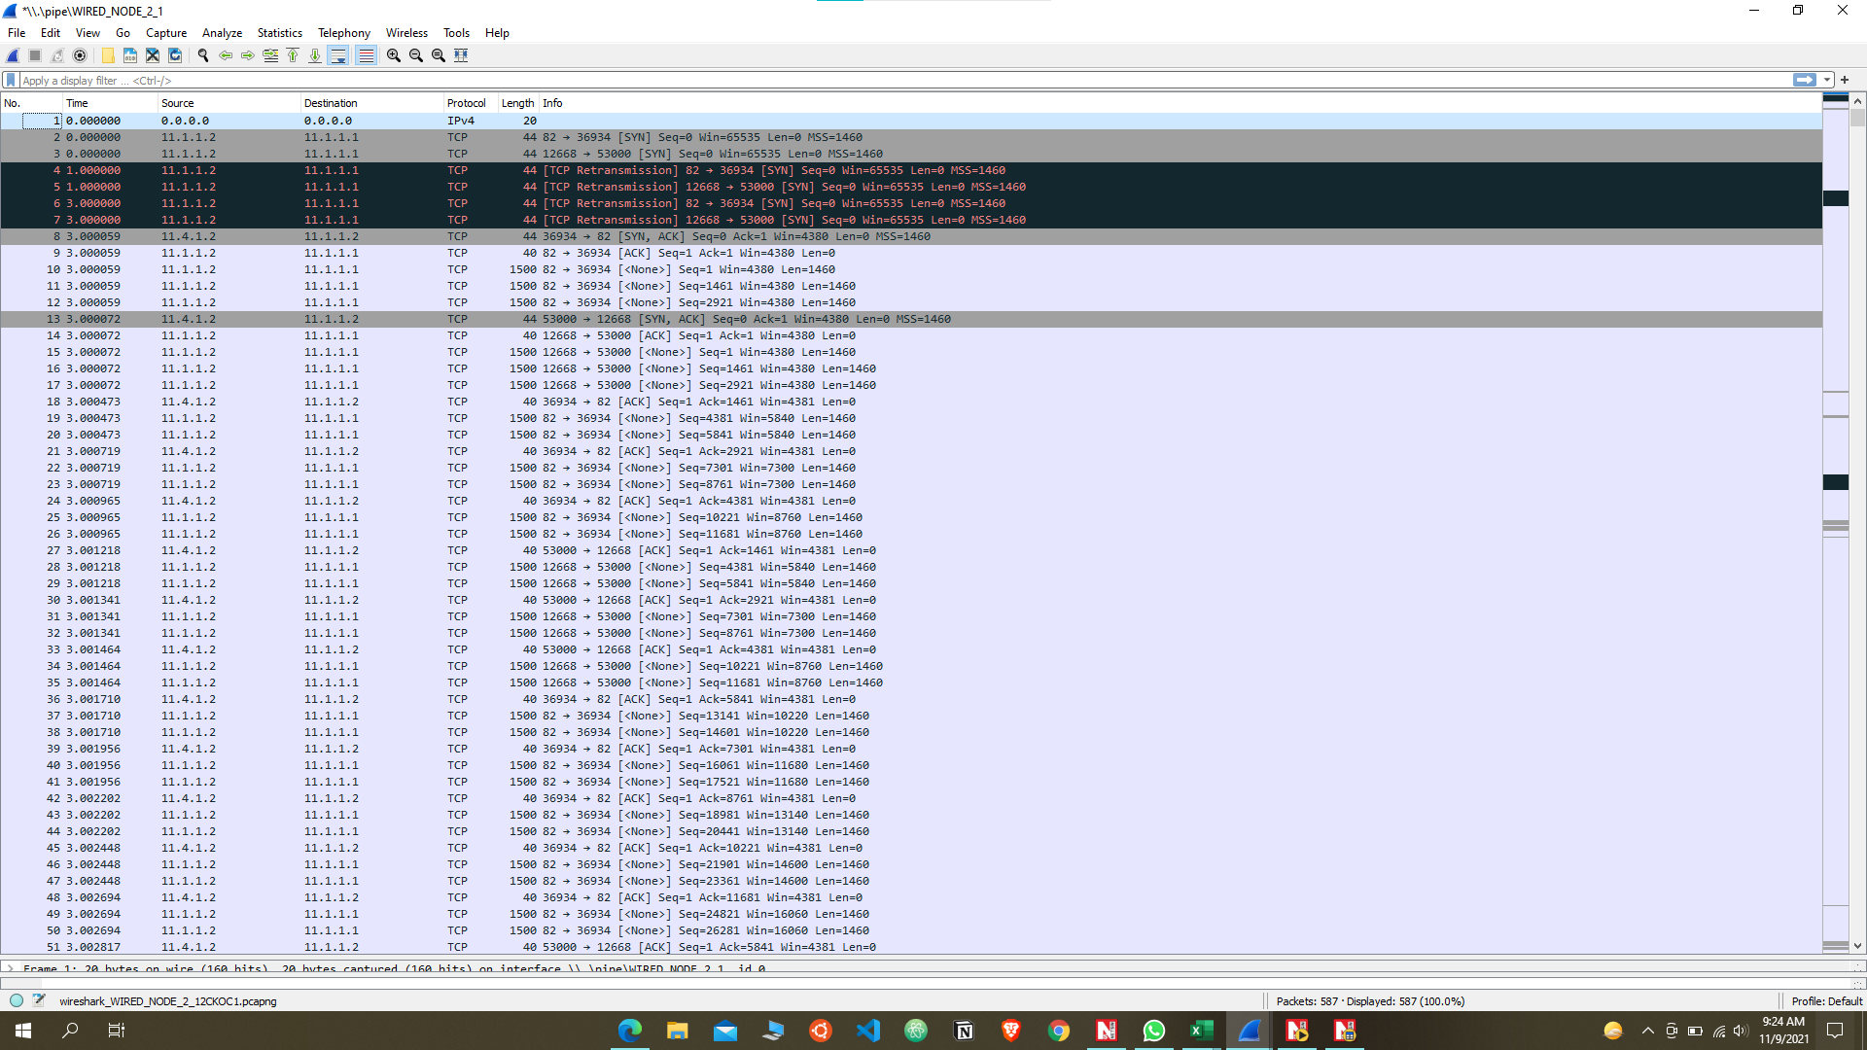
App 2

App 3

